Team Jersey Order Form
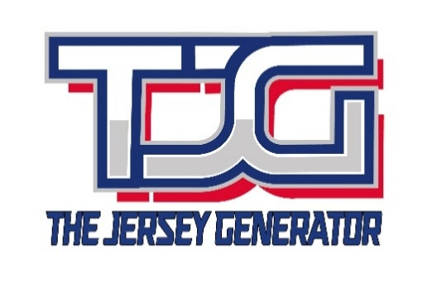
 |  |  |  | Jersey Size Chart 4”6 - 4”8: Youth Small 4”8 - 4”10: Youth Medium 4”10 - 5”1: Youth Large 5”2 - 5”4: Youth X-Large 5”4 - 5”6: Adult Small 5”6 - 5”8: Adult Medium 5”8 - 6”: Adult Large 6”- 6”3: Adult X-Large 5"10 - 6"4: Adult XX-Large

Team Name: |  |  |  | Final total (including shipping and applicable adjustments) will be confirmed upon order review.
Contact Person:
Email:
Delivery Address:
Phone Number:
Required Delivery Date:

Jersey # | Player Name | Jersey Size | Captaincy (C/A/None) | Jersey type (Sublimated, Embroidered) | Shorts Size | Total Per Player

